Meta Ads Targeting
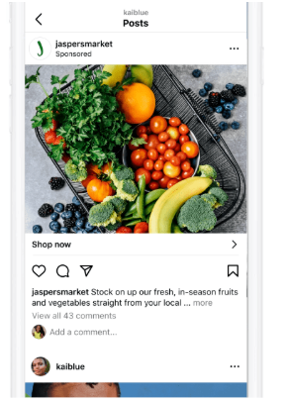
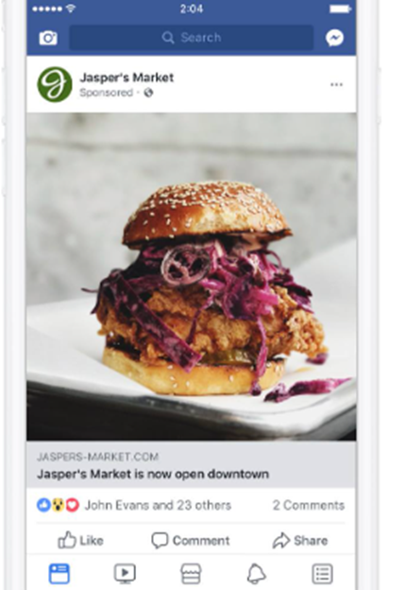
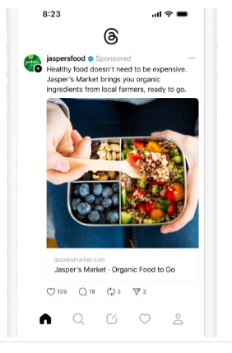
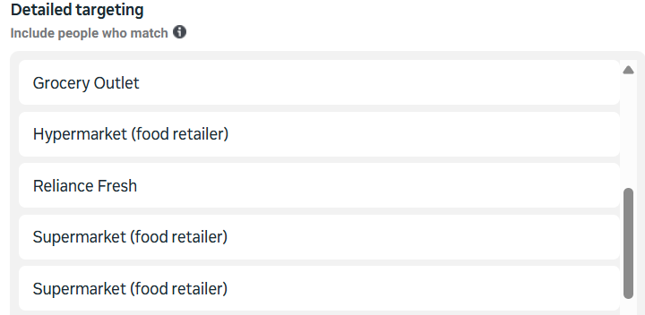
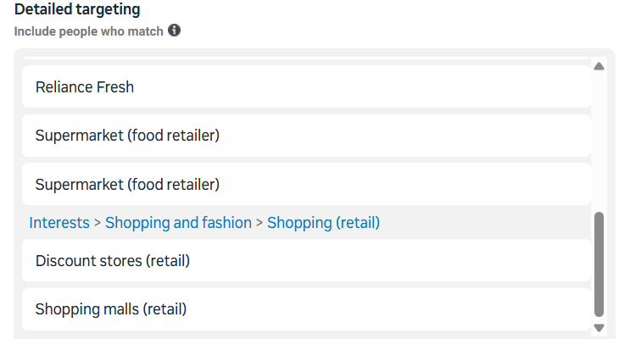
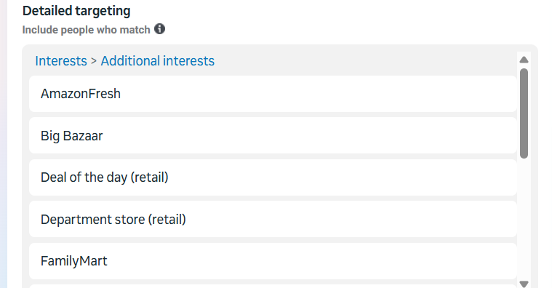
Geography | Demographics
 | Age | Gender
Pin codes list | 18 -65+ | Male - Female

Instagram Feed |  | Facebook Feed | Thread Feed

YouTube Targeting
Audience Segments | Pincodes
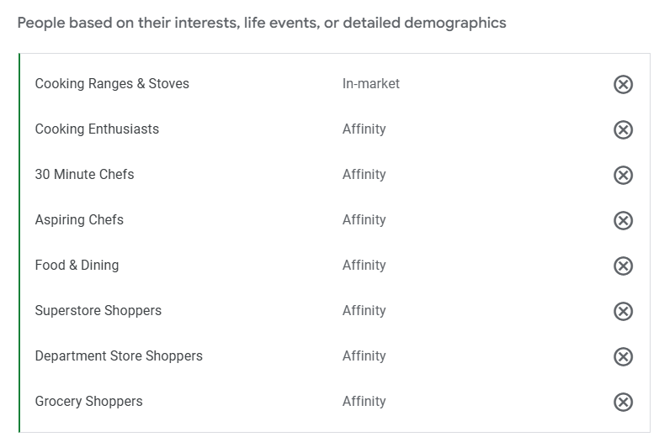 | 734008
 | 221010
 | 221007
 | 221010
 | 221010
 | 700094
 | 700047
 | 700033
 | 273010
 | 226029
 | 211001
 | 700103
 | 700040
 | 734004
 | 700068
 | 734010
 | 734005
 | 700136
 | 734001
 | 712202
 | 221001
 | 700027
 | 700070
 | 700029
 | 711104
 | 700017
 | 723101
 | 221001
 | 700094
 | 273014
 | 700136
 | 226021
 | 700114
 | 700054
 | 700141
 | 700084
 | 700129
 | 711204
 | 226016
 | 700048
 | 700089
 | 712235
 | 700114
 | 700099
 | 700041
 | 700130
 | 700029
 | 721301
 | 721607
 | 273001
 | 700019
 | 700084
 | 226010
 | 713216
 | 700156
 | 700156
 | 713213
 | 226022
 | 226029
 | 226021
 | 226021
 | 226021
 | 226021
 | 226021
 | 220016
 | 226024
 | 226024
 | 226024
 | 226024
 | 226028
 | 700056
 | 713212
 | 221003
 | 221401
 | 711202
 | 700120
 | 700124
 | 225001
 | 700050
 | 700040
 | 700156
 | 700078
 | 711106
 | 713304
 | 700136
 | 700091
 | 390007
 | 700027
 | 273001
 | 700107

YouTube Example
Skippable Ads | Non Skippable Ads
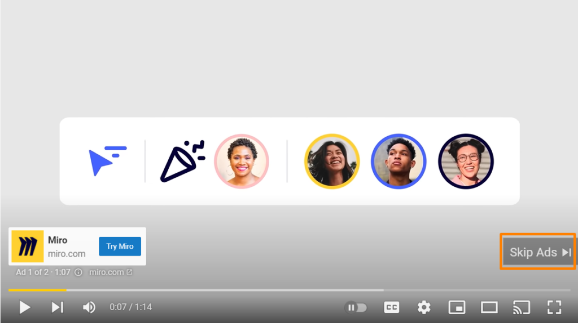 | 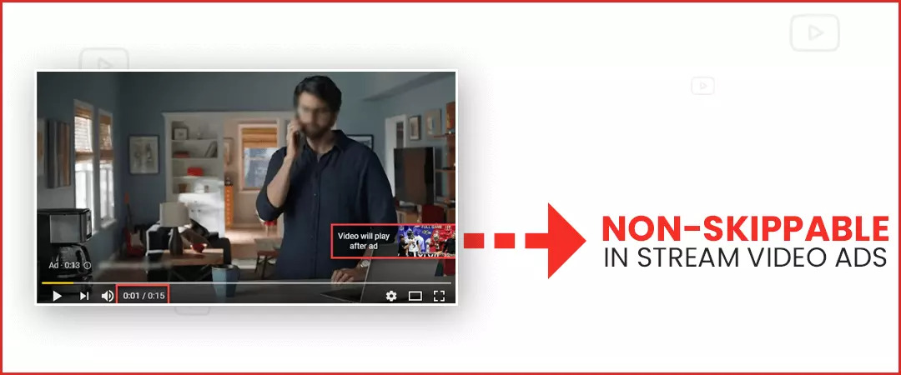

GoogleStore Promotion Targeting
Keywords | Audience Segment
grocery store near me | 
supermarket near me
grocery offers near me
daily needs shop near me
departmental store nearby
buy fruits and vegetables near me
dmart near me
more retail near me
reliance smart near me
& ManyMore

Inapp OTT Screenshots
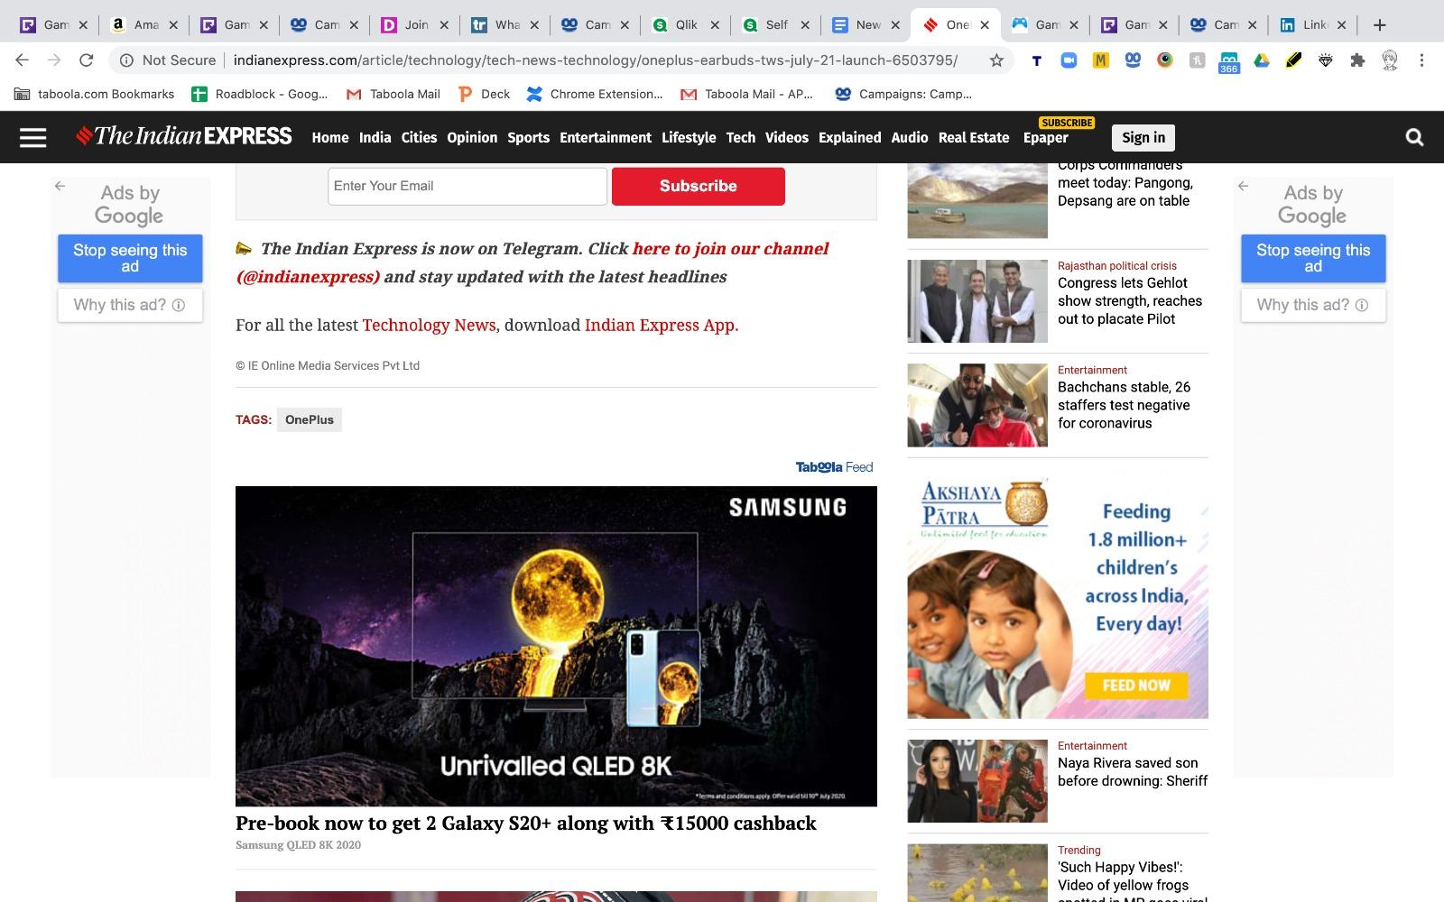

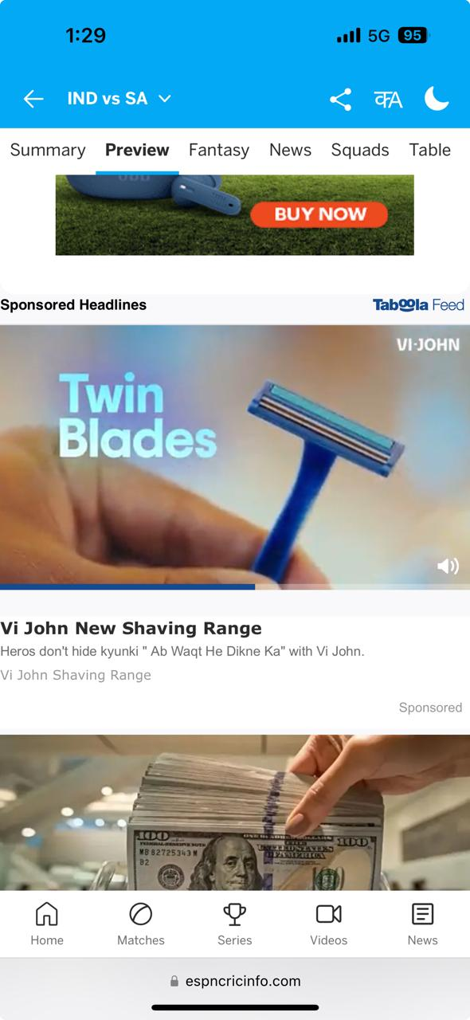
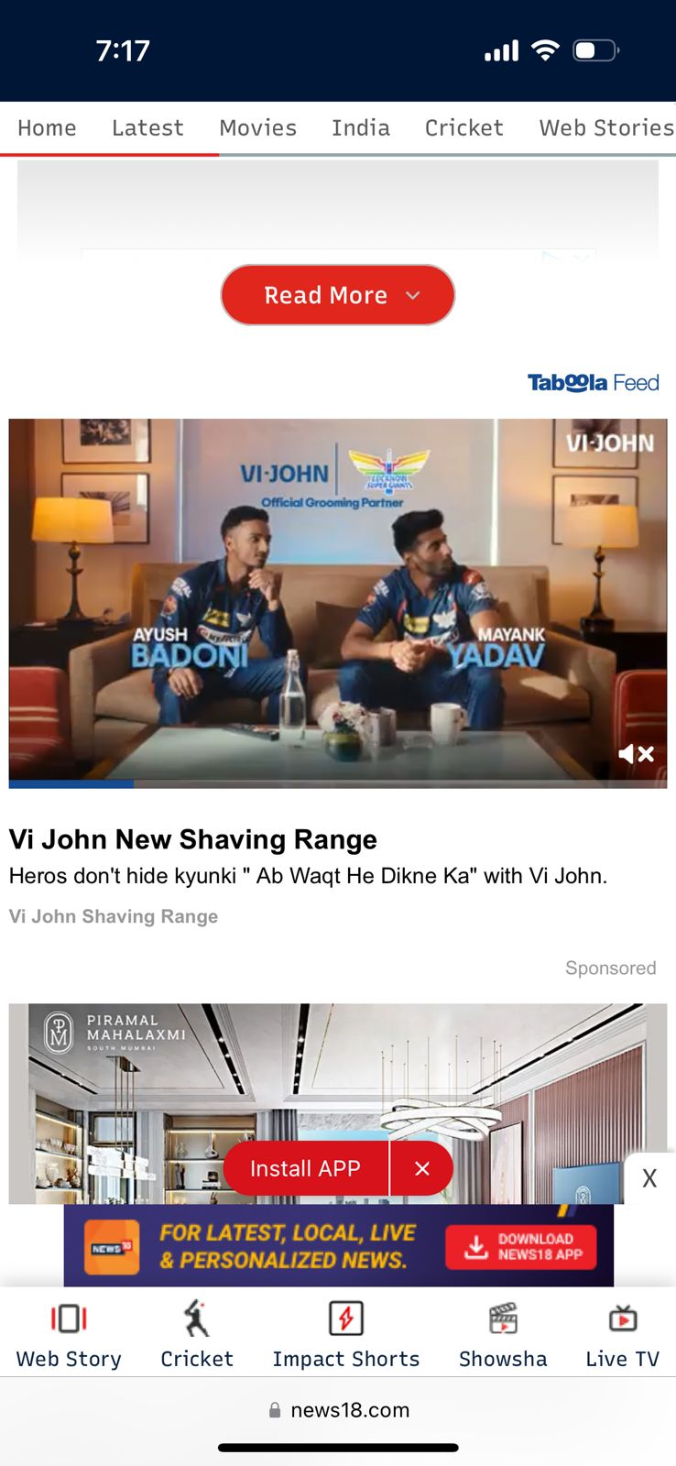
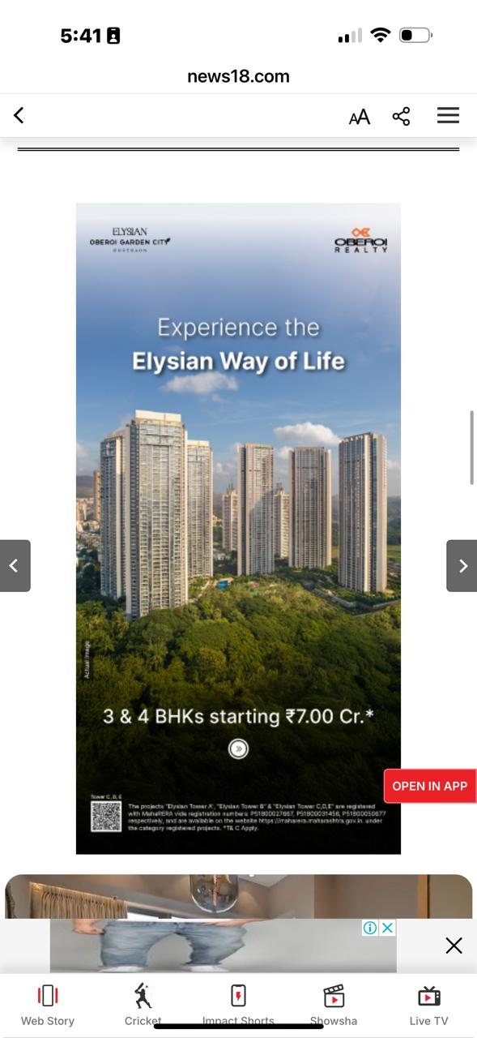
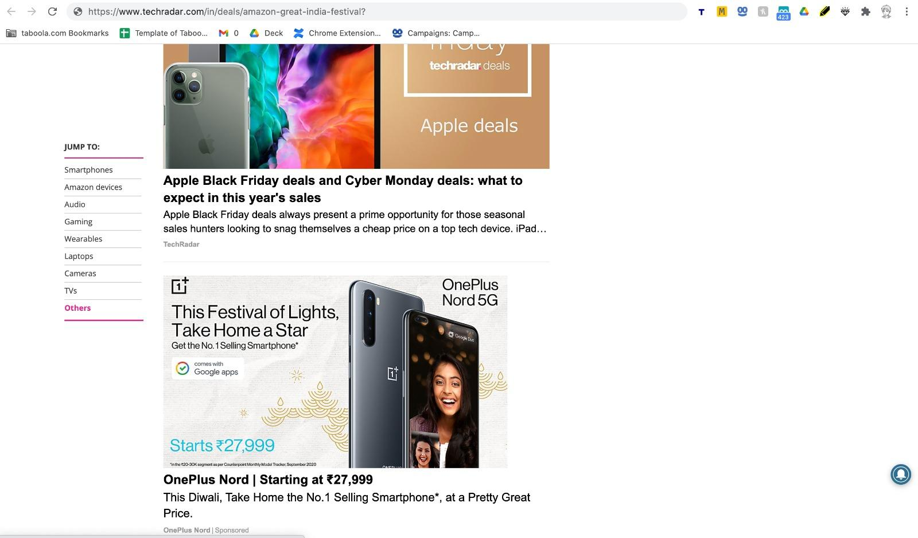
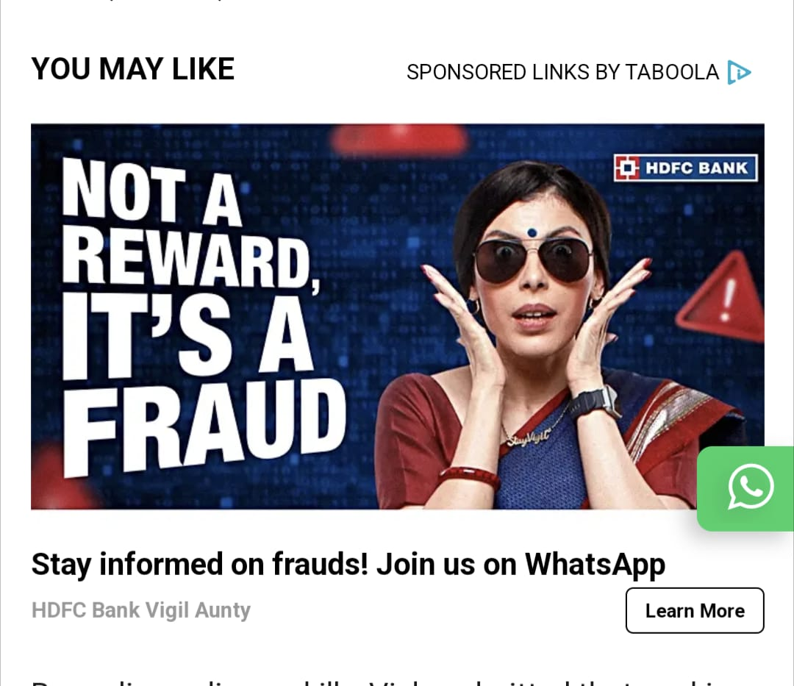
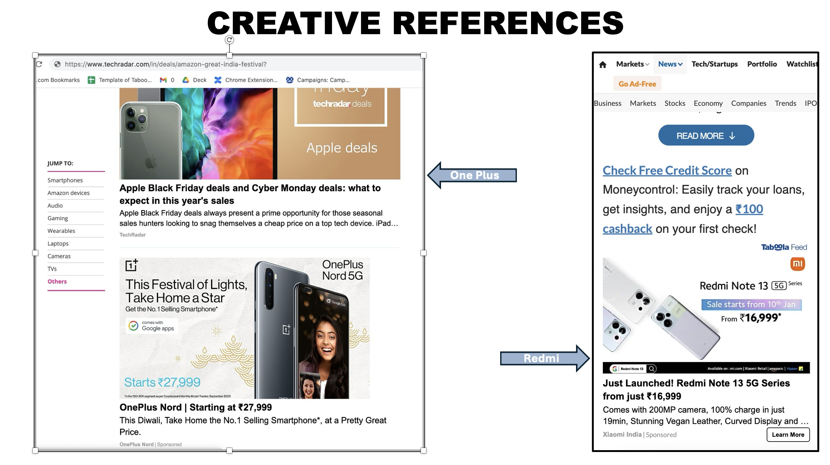
JioHotStar |  |  | Truecaller | Zepto |  | Daily hunt
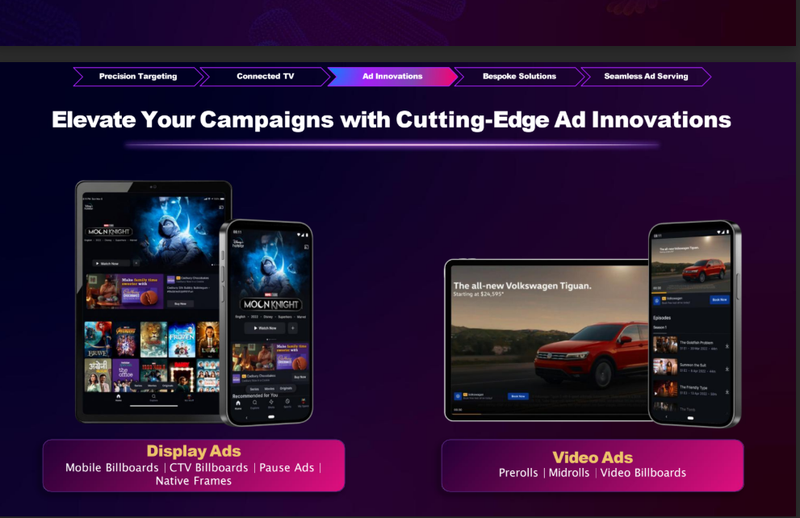
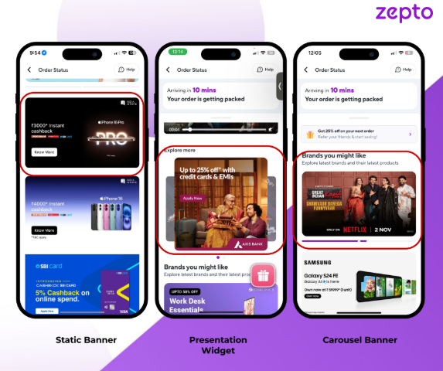
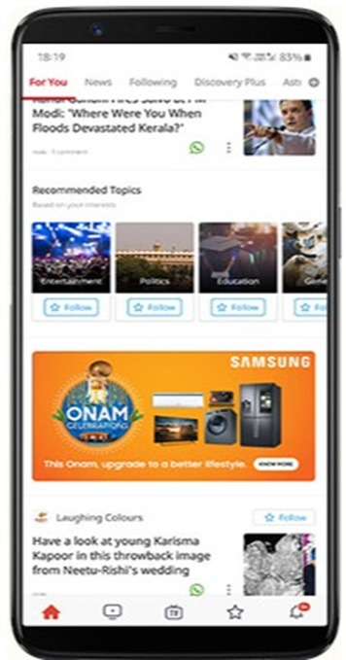

 | SonyLIV | Times Internet |  |  | Mygate
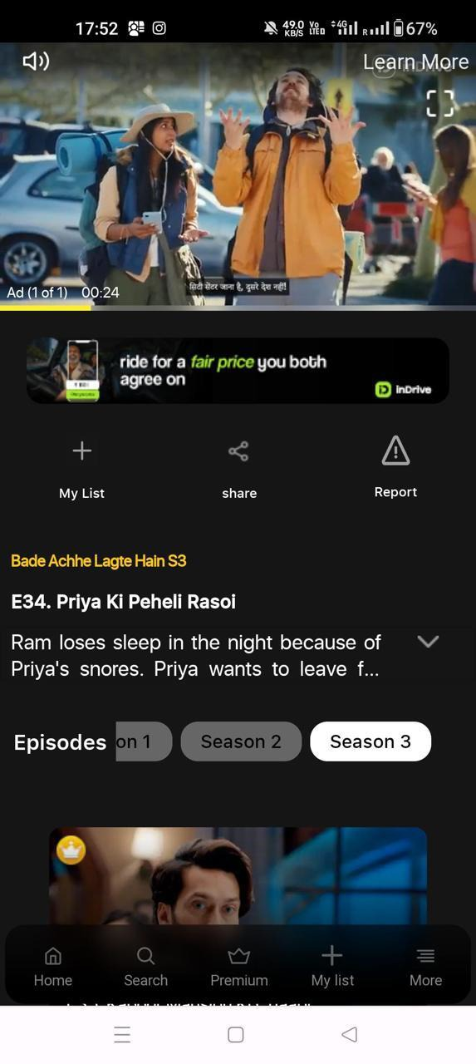
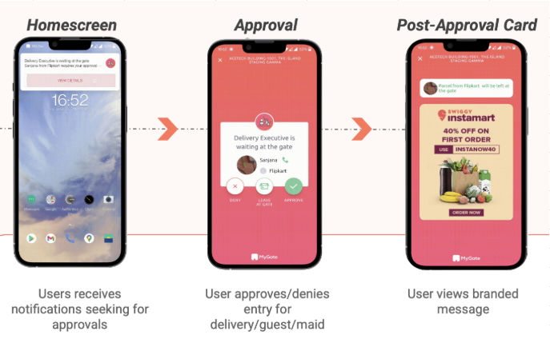

 | Taboola Ads Example
 | Taboola Ads Example

Atlas
 
Introducing Atlas by Excellent Publicity

The next evolution of adtech infrastructure and a unified command center that brings digital-level precision to every channel, both online and offline. Through a single, integrated dashboard, brands can plan, execute, and evaluate campaigns across all services, locations, and companies in one place, while gaining full transparency, real-time tracking, and performance visibility even for traditionally offline media.

